SaxionSpecific
Saxion Specific

First complete the questions on the 'Emissions Information' tab.

First, read through the introduction and all the questions. Because we want to get a
good understanding of your calculation, we will start with some general questions
followed by some more specific ones.

Saxion calculates its carbon footprint in line with the Greenhouse Gas (GHG) Protocol.
This means that for purchased goods and services, all upstream emissions must be
included. These are all emissions from all activities in the supply chain until the product
is delivered to Saxion. This includes, for example, extraction of raw materials,
emissions during production, land-use change, and transport emissions. It therefore
concerns not only the emissions from your own operations (Scope 1 and 2), but also
those arising from your supply chain (Scope 3). To avoid double counting, the use
phase and waste disposal should not be included, if taking place under Saxion’s
control. We also call this a cradle-to-cradle life-cycle analysis.

Cradle-to-gate

For example
Supplier A supplies ten laptops to Saxion. They have a life-cycle analysis of this laptop.
This life cycle includes the power consumption of the laptop in the use phase.
End-of-life waste disposal is also included. Saxion reports the emissions from its power
consumption and waste disposal, so they omit the use phase and end-of-life phase in
the calculation to avoid double counting.

Your emissions

1. Describe in general terms how you calculated the emissions from goods and/or
services delivered to Saxion.

2. Are the calculated emissions complete for all goods and/or services provided by
you to Saxion?

For example: Supplier B has life-cycle analyses for a quarter of the goods supplied to
Saxion. They therefore fill in that the emissions give a moderate picture.

Explain below why you gave this answer.

3. Describe which processes and/or life-cycle phases are included in the calculation.

4. Describe which processes are not included in the calculation. For example,
transport up to Saxion, packaging, capital goods, etc.

5. What are the total emissions for all the goods and/or services you provided to
Saxion over 2025 in tonnes of CO₂e?
1 ton CO₂e = 1000 kg CO₂e

 |  | ton CO₂e

Method

6. Who did the calculation?

7. What methodology or methodologies were followed for these calculations?
Select options from the list and/or add methodology not listed yourself.

 | GHG Protocol Product Standard |  | National Environmental Database / Determination method

 | ISO 14040/14044 |  | Other:

 | ISO 14068

 | Product Environmental Footprint (PEF)

 | PAS2050

8. Do you have supporting documentation such as a life-cycle analysis or a printout
from a CO₂ software platform?

9. Is the calculation and/or the CO₂ software platform you use certified or reviewed?

10. What emission data was used?

 | I do not know |  | National environmental database

 | Supplier emissions data |  | CO₂emissiefactoren.nl

 | ecoinvent |  | Other:

 | Gabi

 | Agri-footprint
11. Are there any developments or areas for improvement for your emission
calculations?

12. Is there anything else related to this calculation that you would like to share with
us?

This is the end of the questionnaire. We hope it was clear and easy to complete.
Thank you for filling it in, we really appreciate it!

PS: when returning the completed questionnaire, also remember to include any
documents.

OrganisationLevel
From own organisation pro rata for Saxion

First complete the questions on the 'Emissions Information' tab.

Allocation

If emissions are only available at organisational level, they should be allocated proportionally
to clients such as Saxion. There are several possibilities to do this.

A. Economic allocation
Allocation based on turnover.

For example
Company C has an annual turnover of €1.000.000 of which €200.000 comes from Saxion.
Therefore, C allocates (200.000/1.000.000) = 20% of total emissions to Saxion.

B. Physical allocation
Allocation based on weight and/or quantity of product delivered.

For example
Supplier A delivered a total of 1.000 pallets of goods to various clients in 2023. Of these,
10 pallets were delivered to Saxion. Therefore, A allocates (10/1000) = 1% of the total
emissions to Saxion.

C. Other type of allocation
Perhaps there is a better allocation suitable for distributing emissions among your clients
than economic or physical allocation. In that case, we ask you to use it.

For example
Company B provides advice on security. In total, B provided 10.000 hours of advice in
2023, including 1.000 hours for Saxion. Therefore, B allocates (1.000/10.000) = 10% of
total emissions to Saxion.

Which allocation method is best depends on many factors, such as the diversity of goods
and/or services provided and the availability of data. We ask you to estimate the best
allocation method for your organisation. The best allocation method best approximates the
actual emissions given the available data.

1. In what way do you want to allocate emissions to Saxion?

2. What percentage of your total emissions do you allocate to Saxion?
Note: do not enter a percentage sign (%) in the input field.

 |  | %

3. Write below the justification for this percentage.
If the calculation contains company-sensitive information, you do not need to mention it
but can suffice with a general description.

Your emissions

The GHG Protocol distinguishes between emissions arising from our own operations and
the energy used (Scope 1 & 2) and from the value chain (Scope 3). Many organisations
start by mapping their own operations.

Saxion University of Applied Sciences calculates its CO₂e footprint in line with the GHG
Protocol. This means that for purchased goods and services, all upstream emissions must
included. These include, for example, extraction of raw materials, emissions during
production, land-use change, and transport emissions throughout the chain up to Saxion.
It therefore concerns not only the emissions from our own operations (Scope 1 & 2), but
also those from the supply chain (Scope 3). See also the figure below.

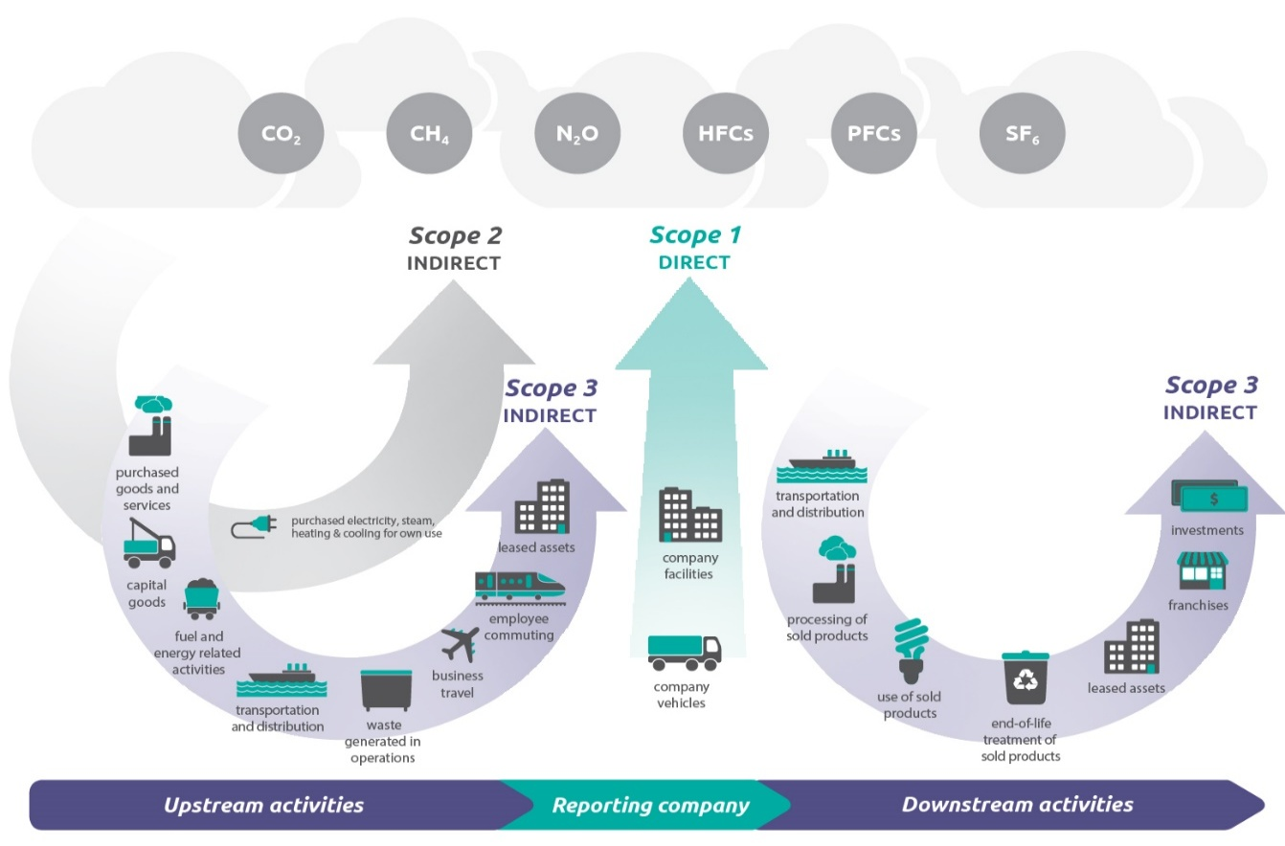

The questions below are designed to gain insight into the emissions you are currently
mapping.

4. What are your scope 1 & 2 emissions in tonnes of CO₂e?
1 ton CO₂e = 1000 kg CO₂e.

 |  | ton CO₂e

5. Are your Scope 1 and 2 emission calculations complete?

Explain below why you gave this answer.

6. Do you map Scope 3?

7. What are your scope 3 emissions in CO₂e?
1 ton CO₂e = 1000 kg CO₂e.

 |  | ton CO₂e

8. Are your Scope 3 emission calculations complete?

Describe how you estimated the completeness of Scope 3 emissions. For example, by
indicating which categories and/or activities have or have not been included.

To avoid double counting, Saxion should only include the upstream emissions of its
suppliers in the calculation. Upstream emissions are caused by purchases of goods and
services, capital goods, fuel and energy-related activities, upstream transport and
distribution, waste processing and leased assets, among others. For an overview, see
above picture.

For example
Supplier B supplies laptops and in its emissions calculation it has included scope 3,
category 11 (use of goods sold). This leads to double counting because Saxion includes
the power consumption of this laptop in its own Scope 2.

9. Can you distinguish between your upstream and downstream Scope 3
emissions?

10. What are your upstream Scope 3 emissions in tonnes CO₂e?
1 ton CO₂e = 1000 kg CO₂e.

 |  | ton CO₂e

11. What are your downstream Scope 3 emissions in tonnes CO₂e?
1 ton CO₂e = 1000 kg CO₂e.

 |  | ton CO₂e

The CO₂e emissions of the goods and/or services you provide to Saxion in 2025
amount to, based on the above answers.

Source |  | Emissions
Scope 1 + 2 |  | Not filled in | t CO₂e
Scope 3 total |  | Not filled in | t CO₂e
Total |  | 0 | t CO₂e

Allocation rate |  | Not filled in | %

Total emissions |  | Too little data | t CO₂e
allocated to Saxion

Method

The following questions are designed to gain insight into how you calculated emissions.

12. Who did the calculation?

13. What methodology or methodologies were followed for these calculations?
Select options from the list and/or add methodology not listed yourself.

 | GHG Protocol |  |  | Other:

 | ISO 14064

14. Do you have supporting documentation such as a report?

15. Is the calculation and/or the CO₂-software platform you use certified or reviewed?

16. What calculation methods did you apply?
You may have used several calculation methods. Specific data may be known for scope 1
and 2, but are still missing for scope 3. Can you indicate which calculation method(s) you
used to get to the current carbon footprint? For each method, we ask you to indicate the
indicative percentage compared to your total carbon footprint. If you don’t know this, enter
100% at ‘method unknown’.

Note: do not enter a percentage sign (%) in the input field.

 |  | % emissions measured directly

 |  | % based on expenditure (spend-based method)

 |  | % based on average data (average-data method)

 |  | % based on data from suppliers (supplier-specific method)

 |  | % method unknown

 | 0 | % of total entered

17. What emission data was used?

 | I do not know |  |  | National environmental database

 | Supplier emissions data |  |  | CO₂emissiefactoren.nl

 | ecoinvent |  |  | Other:

 | Gabi

 | Agri-footprint

18. Are there any developments or areas for improvement for your emissions calculations?

19. Is there anything else related to this calculation that you would like to share with us?

This is the end of the questionnaire. We hope it was clear and easy to complete.
Thank you for filling it in, we really appreciate it!

PS: when returning the completed questionnaire, also remember to include any
documents.

